Questionnaire-QUESTION
The questions we posed to the 25 participants. | Textual Statistics of the Answers We Collected (Chinese Version) | Students from Xi'an Jiaotong-Liverpool University who participated in the survey are using our product.

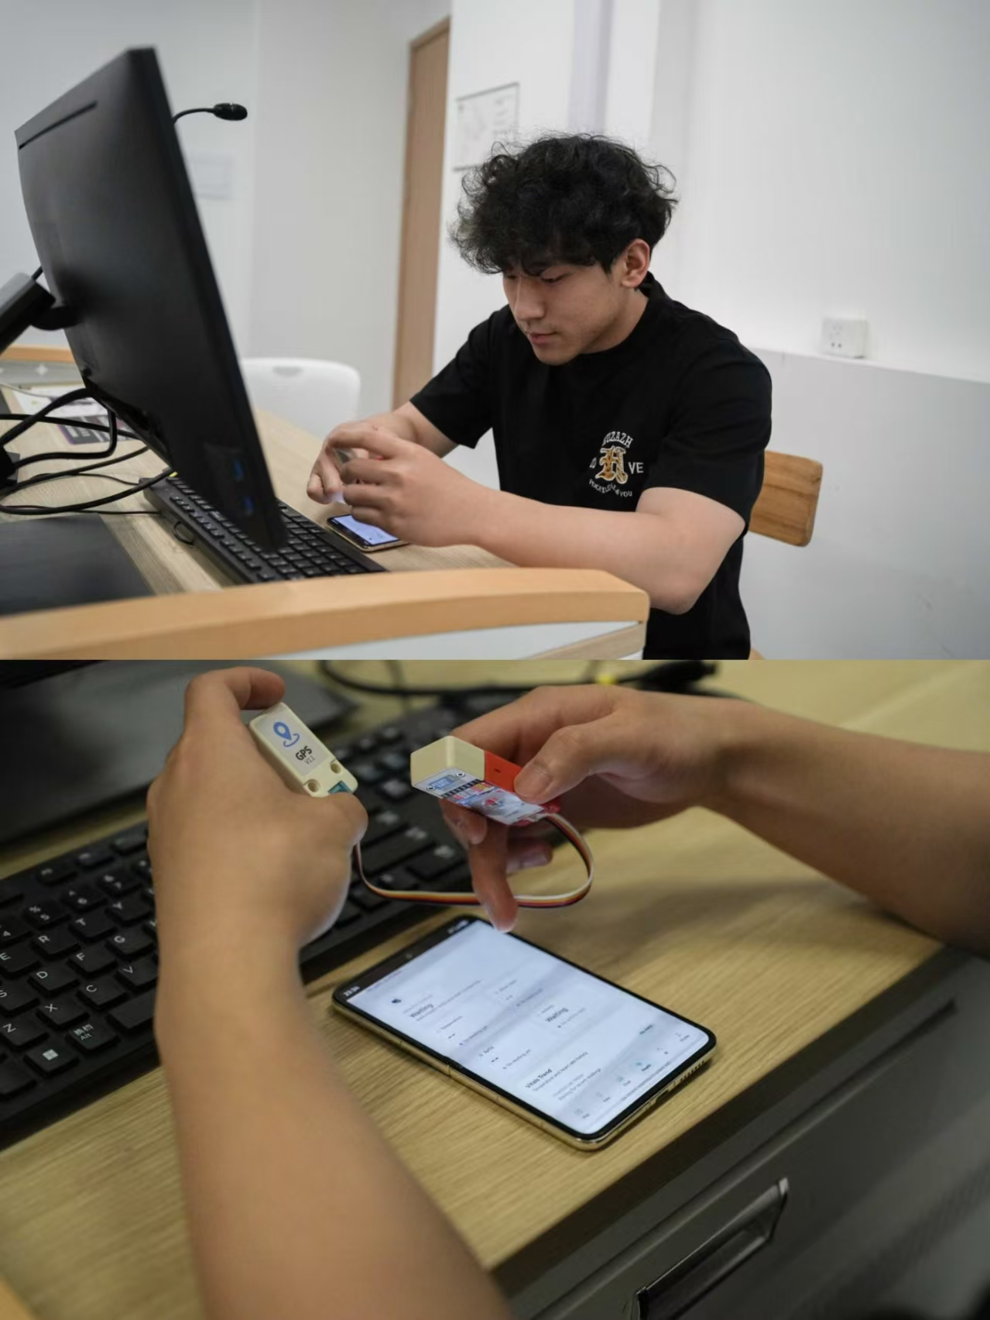
Part A: Participant profile | 一、样本结构
 | 总样本：25 人
What is your role? | 西浦学生：10 人
Student / Parent / Teacher or Staff / Animal rescue volunteer / Other | 学生家长：5 人
 | 西浦教师 / 职工：5 人
Which description best fits you? | 宠物救助志愿者：5 人
Current pet owner / Potential pet owner / Pet lover but not able to own one now / Animal rescue volunteer / Non-pet owner | 二、最终问卷数据汇总
 | Part A 样本分布
Part B: Problem validation | 学生：10（40%）
 | 家长：5（20%）
How concerned are you about pets getting lost? | 教师 / 职工：5（20%）
1–5 scale | 救助志愿者：5（20%）
 | 当前宠物主人：14
How concerned are you about not noticing early pet health problems? | 潜在养宠：6
1–5 scale | 爱宠但暂不能养：3
 | 救助志愿者：5
If you found a lost pet, would you be willing to scan an NFC tag to contact the owner? | 非宠物主人：2
Yes / Maybe / No | Part B 问题验证（平均分 1–5）
 | 担心宠物走失：4.32
Part C: Feature value | 担心无法发现早期健康问题：4.16
 | 愿意扫描 NFC 帮助走失宠物：
How useful do you think real-time GPS tracking is? | Yes：22
1–5 scale | Maybe：3
 | No：0
How useful do you think an Electronic Fence alert is? | Part C 功能实用性（平均分 1–5）
1–5 scale | 实时 GPS 定位：4.56
 | 电子围栏提醒：4.48
How useful do you think an NFC Rescue Card is in a lost-pet situation? | NFC 救援卡：4.64
1–5 scale | AI 照片检测（皮肤 / 外伤）：4.08
 | AI 视频行为分析：4.20
How useful do you think AI Photo Check is for visible pet health issues? | Part D 信任与使用意愿
1–5 scale | 清晰隐私协议会更愿意使用：
 | Yes：23
How useful do you think AI Video Check is for abnormal pet behaviour? | Maybe：2
1–5 scale | No：0
 | 最重视功能（票数）：
Part D: Trust and adoption | GPS 定位：7
 | 电子围栏：6

Would a clear Data & Privacy Agreement make you more willing to use the app? | NFC 救援卡：8
Yes / Maybe / No | AI 照片检测：1
 | AI 视频检测：2
Which function would you value most? | 隐私与访客模式：1
GPS tracking / Electronic Fence / NFC Rescue Card / AI Photo Check / AI Video Check / Privacy and Guest Mode | 三、25 人，每个人的答案
 | 【学生 10 人】S1–S10
 | S1（学生・有猫）
 | 走失担忧：5｜健康担忧：5｜愿意 NFC：Yes
 | GPS：5｜围栏：5｜NFC：5｜照片 AI：4｜视频 AI：4
 | 隐私更信任：Yes｜最看重：NFC 救援卡
 | S2（学生・有狗）
 | 走失担忧：5｜健康担忧：4｜愿意 NFC：Yes
 | GPS：5｜围栏：5｜NFC：5｜照片 AI：4｜视频 AI：5
 | 隐私更信任：Yes｜最看重：GPS 定位
 | S3（学生・想养猫）
 | 走失担忧：4｜健康担忧：4｜愿意 NFC：Yes
 | GPS：4｜围栏：4｜NFC：5｜照片 AI：4｜视频 AI：4
 | 隐私更信任：Yes｜最看重：NFC 救援卡
 | S4（学生・有仓鼠）
 | 走失担忧：3｜健康担忧：4｜愿意 NFC：Yes
 | GPS：3｜围栏：3｜NFC：5｜照片 AI：4｜视频 AI：3
 | 隐私更信任：Yes｜最看重：NFC 救援卡
 | S5（学生・有猫）
 | 走失担忧：5｜健康担忧：5｜愿意 NFC：Yes
 | GPS：5｜围栏：5｜NFC：5｜照片 AI：5｜视频 AI：5
 | 隐私更信任：Yes｜最看重：电子围栏
 | S6（学生・无宠但爱宠）
 | 走失担忧：4｜健康担忧：3｜愿意 NFC：Yes
 | GPS：4｜围栏：4｜NFC：5｜照片 AI：3｜视频 AI：4
 | 隐私更信任：Maybe｜最看重：NFC 救援卡
 | S7（学生・有狗）
 | 走失担忧：5｜健康担忧：5｜愿意 NFC：Yes
 | GPS：5｜围栏：5｜NFC：5｜照片 AI：4｜视频 AI：4
 | 隐私更信任：Yes｜最看重：GPS 定位
 | S8（学生・想养狗）
 | 走失担忧：4｜健康担忧：4｜愿意 NFC：Maybe
 | GPS：4｜围栏：5｜NFC：4｜照片 AI：4｜视频 AI：4
 | 隐私更信任：Yes｜最看重：电子围栏
 | S9（学生・有猫）
 | 走失担忧：5｜健康担忧：4｜愿意 NFC：Yes
 | GPS：5｜围栏：4｜NFC：5｜照片 AI：4｜视频 AI：4
 | 隐私更信任：Yes｜最看重：NFC 救援卡
 | S10（学生・无宠）
 | 走失担忧：3｜健康担忧：3｜愿意 NFC：Yes
 | GPS：3｜围栏：3｜NFC：5｜照片 AI：3｜视频 AI：3
 | 隐私更信任：Yes｜最看重：隐私与访客模式
 | 【家长 5 人】P1–P5
 | P1（家长・有狗）
 | 走失担忧：5｜健康担忧：5｜愿意 NFC：Yes
 | GPS：5｜围栏：5｜NFC：5｜照片 AI：4｜视频 AI：4
 | 隐私更信任：Yes｜最看重：GPS 定位
 | P2（家长・有猫）
 | 走失担忧：5｜健康担忧：5｜愿意 NFC：Yes
 | GPS：4｜围栏：5｜NFC：5｜照片 AI：5｜视频 AI：4
 | 隐私更信任：Yes｜最看重：电子围栏
 | P3（家长・无宠）
 | 走失担忧：3｜健康担忧：3｜愿意 NFC：Yes
 | GPS：3｜围栏：3｜NFC：5｜照片 AI：3｜视频 AI：3
 | 隐私更信任：Yes｜最看重：NFC 救援卡
 | P4（家长・有狗）
 | 走失担忧：5｜健康担忧：4｜愿意 NFC：Yes
 | GPS：5｜围栏：5｜NFC：4｜照片 AI：4｜视频 AI：4
 | 隐私更信任：Yes｜最看重：GPS 定位
 | P5（家长・想养宠）
 | 走失担忧：4｜健康担忧：4｜愿意 NFC：Maybe
 | GPS：4｜围栏：4｜NFC：4｜照片 AI：4｜视频 AI：4
 | 隐私更信任：Yes｜最看重：电子围栏
 | 【教师 / 职工 5 人】T1–T5
 | T1（教师・有猫）
 | 走失担忧：4｜健康担忧：4｜愿意 NFC：Yes
 | GPS：4｜围栏：4｜NFC：5｜照片 AI：4｜视频 AI：4
 | 隐私更信任：Yes｜最看重：NFC 救援卡
 | T2（职工・有狗）
 | 走失担忧：5｜健康担忧：4｜愿意 NFC：Yes
 | GPS：5｜围栏：5｜NFC：4｜照片 AI：4｜视频 AI：4
 | 隐私更信任：Yes｜最看重：GPS 定位
 | T3（教师・无宠）
 | 走失担忧：3｜健康担忧：3｜愿意 NFC：Yes
 | GPS：3｜围栏：3｜NFC：5｜照片 AI：3｜视频 AI：3
 | 隐私更信任：Yes｜最看重：NFC 救援卡
 | T4（职工・有猫）
 | 走失担忧：4｜健康担忧：4｜愿意 NFC：Yes
 | GPS：4｜围栏：4｜NFC：5｜照片 AI：4｜视频 AI：4
 | 隐私更信任：Yes｜最看重：电子围栏
 | T5（教师・想养宠）
 | 走失担忧：4｜健康担忧：4｜愿意 NFC：Maybe
 | GPS：4｜围栏：4｜NFC：4｜照片 AI：4｜视频 AI：4
 | 隐私更信任：Yes｜最看重：AI 视频检测
 | 【宠物救助志愿者 5 人】V1–V5
 | V1（志愿者・救助多年）
 | 走失担忧：5｜健康担忧：5｜愿意 NFC：Yes
 | GPS：5｜围栏：4｜NFC：5｜照片 AI：4｜视频 AI：5
 | 隐私更信任：Yes｜最看重：NFC 救援卡
 | V2（志愿者・常救流浪猫）
 | 走失担忧：5｜健康担忧：5｜愿意 NFC：Yes
 | GPS：4｜围栏：4｜NFC：5｜照片 AI：5｜视频 AI：5
 | 隐私更信任：Yes｜最看重：NFC 救援卡
 | V3（志愿者）
 | 走失担忧：5｜健康担忧：5｜愿意 NFC：Yes
 | GPS：5｜围栏：5｜NFC：5｜照片 AI：4｜视频 AI：5
 | 隐私更信任：Yes｜最看重：GPS 定位
 | V4（志愿者）
 | 走失担忧：5｜健康担忧：5｜愿意 NFC：Yes
 | GPS：4｜围栏：4｜NFC：5｜照片 AI：4｜视频 AI：4
 | 隐私更信任：Yes｜最看重：NFC 救援卡
 | V5（志愿者）
 | 走失担忧：5｜健康担忧：4｜愿意 NFC：Yes
 | GPS：5｜围栏：5｜NFC：5｜照片 AI：4｜视频 AI：4
 | 隐私更信任：Yes｜最看重：AI 照片检测

Dashboard
Pawtrace Survey Dashboard (n=25)

Total Respondents | Avg Pet Loss Concern | Avg Health Concern | NFC Yes Rate | Privacy Trust Yes Rate | Top Valued Feature
25 | 4.32 | 4.16 | 88% | 92% | NFC Rescue Card (8 votes)

Participant Groups | Count | Share |  | Feature | Avg Score
XJTLU Students | 10 | 40% |  | Real-time GPS Tracking | 4.56
Student Parents | 5 | 20% |  | Electronic Fence Alert | 4.48
XJTLU Teachers/Staff | 5 | 20% |  | NFC Rescue Card | 4.64
Animal Rescue Volunteers | 5 | 20% |  | AI Photo Check (Skin/Wounds) | 4.08
 |  |  |  | AI Video Behaviour Analysis | 4.2

Most Valued Function | Votes | Share |  | Response | NFC Scan | Privacy Trust
GPS Tracking | 7 | 28% |  | Yes | 22 | 23
Electronic Fence | 6 | 24% |  | Maybe | 3 | 2
NFC Rescue Card | 8 | 32% |  | No | 0 | 0
AI Photo Check | 1 | 4%
AI Video Check | 2 | 8%
Privacy & Guest Mode | 1 | 4%

Note: Pet-related identities may overlap. For example, animal rescue volunteers may also be current pet owners. Scores use a 1–5 scale, where 5 means the highest concern or usefulness.

